checker
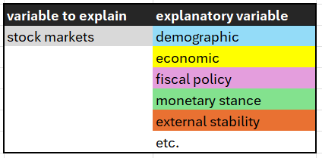
Rule No 1: Account for at least 99% of the population in country and population columns
Population (2023) | 8.09b
1% of the population | 80.9m
count of population | 8.01b
ratio | 99.06%
Rule No 2: List all the countries for which you have a value of 0 for basic indicators (like GDP, pop) and you should not find a large country in the list
countries with GDP = 0 | Eritrea; South Sudan; North Korea; Syria; Yemen; San Marino; Venezuela; Cuba
countries with pop = 0 | 0 countries

